Sheet1
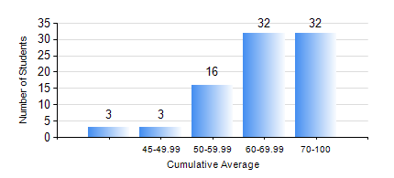
 |  |  | KWAME NKRUMAH UNIVERSITY OF SCIENCE AND TECHNOLOGY, KUMASI Department of Mechanical Engineering

 |  |  | BSC. AEROSPACE ENG., General Option

 |  |  | COMPREHENSIVE RECORD OF EXAMINATION RESULTS

 |  |  | RESULTS OF YEAR 1 SECOND SEMESTER, 2020/2021 ACADEMIC YEAR

 | Sn | Course Code |  | Course Name | Credit Hours | Min. Mark | Max. Mark | Avg. Mark | Std. Dev. | No. Passed | No. Trailed | No. (Df) | No. (I) | No. (I*) | No. Tagged(I,I*,Df) | Total
 | 0. |  |  |  |  |  |  | 0 | 0 | 0 | 0 | 0 | 0 | 0 | 0 | 4
 | 1. | AERO 174 |  | AEROSPACE DESIGN PROJECT I | 2 | 49 | 87 | 67 | 7.94 | 82 | 0 | 0 | 0 | 0 | 0 | 82
 | 2. | EE 152 |  | BASIC ELECTRONICS | 2 | 51 | 91 | 71 | 9.86 | 82 | 0 | 0 | 0 | 0 | 0 | 82
 | 3. | ENGL 158 |  | COMMUNICATION SKILLS II | 2 | 43 | 79 | 65 | 6.91 | 82 | 0 | 0 | 0 | 0 | 0 | 82
 | 4. | MATH 152 |  | CALCULUS WITH ANALYSIS | 4 | 33 | 94 | 61 | 14.81 | 79 | 3 | 0 | 0 | 0 | 0 | 82
 | 5. | ME 158 |  | ENGINEERING GRAPHICS | 3 | 5 | 91 | 57 | 18.05 | 71 | 11 | 0 | 0 | 0 | 0 | 82
 | 6. | ME 164 |  | STATICS OF SOLID MECHANICS | 2 | 10 | 93 | 58 | 18.41 | 76 | 6 | 0 | 0 | 0 | 0 | 82
 | 7. | ME 168 |  | COMPUTER PROGRAMMING FOR ENGINEERS | 2 | 47 | 93 | 70 | 9.65 | 82 | 0 | 0 | 0 | 0 | 0 | 82

